Parametrer
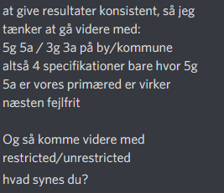
 | bymarkeder |  |  |  |  |  |  |  |  |  |  |  | Kommune
 | 5a 5g yder |  |  | 5g 5a uden yder |  |  | 3g 3a |  | 3g 3a uden yder |  |  |  | 5a 5g yder |  |  | 5g 5a uden yder |  | 3g 3a |  |  | 3g 3a uden yder
lambdabefolkning | 0.63 | 0.05 | lambdabefolkning | 0.80 | 0.03 | lambdabefolkning | 0.80 | 0.16 | lambdabefolkning | 0.10 | 0.00 | lambdabefolkning | 1.13 | 0.46 | lambdabefolkning | 0.37 | 0.12 | lambdabefolkning | 1.29 | 0.27 | lambdabefolkning | 0.50 | nan
beta_1d65 | 0.68 | 0.12 | beta_1d65 | 0.53 | 0.10 | beta_1d65 | 0.88 | 0.00 | beta_1d65 | 5.66 | 1.54 | beta_1d65 | 0.37 | 0.16 | beta_1Andel over 65 | 0.72 | 0.40 | beta_1d65 | 0.17 | 0.09 | beta_1d65 | -0.18 | nan
beta_2d17 | -1.88 | 0.27 | beta_2d17 | -1.49 | nan | beta_2d17 | -1.23 | 0.59 | beta_2d17 | -8.38 | 3.43 | beta_2d17 | -0.19 | 0.09 | beta_2Andel under 17 | -0.78 | 0.63 | beta_2d17 | -0.22 | 0.10 | beta_2d17 | -1.58 | nan
beta_3indkomst | -0.09 | nan | beta_3indkomst | -0.07 | nan | beta_3indkomst | -0.07 | 0.00 | beta_3indkomst | -0.65 | 0.08 | beta_3indkomst | -0.01 | 0.00 | beta_3indkomst | -0.07 | 0.03 | beta_3indkomst | -0.01 | nan | beta_3indkomst | -0.03 | nan
beta_4besk | 0.95 | 0.09 | beta_4besk | 0.76 | 0.01 | beta_4besk | 0.56 | 0.11 | beta_4besk | 5.02 | 1.37 | beta_4besk | 0.13 | 0.05 | beta_4Beskæftiget mellem 18-64 | 0.42 | 0.24 | beta_4besk | -0.04 | 0.04 | beta_4besk | 0.20 | nan
beta_5Foreigner | 0.16 | 0.03 | beta_5Foreigner | 0.12 | 0.04 | beta_5Foreigner | 0.16 | 0.09 | beta_5Foreigner | 1.53 | 0.53 | beta_5Foreigner | -0.02 | 0.02 | beta_5Andel med udenlandsk baggrund | -0.05 | 0.11 | beta_5Foreigner | 0.08 | nan | beta_5Foreigner | 0.20 | nan
beta_6yderkom | -0.00 | 0.02 |  |  |  | beta_6yderkom | -0.02 | 0.01 |  |  |  | beta_6yderkom | -0.70 | 0.93 |  |  |  | beta_6yderkom | -0.64 | 1.09
alpha_1 | 0.00 | nan | alpha_1 | 0.00 | 0.05 | alpha_1 | 0.00 | 0.06 | alpha_1 | 0.00 | 0.86 | alpha_1 | 1.36 | 1.05 | alpha_1 | 1.42 | 1.30 | alpha_1 | 1.34 | 1.13 | alpha_1 | 2.42 | nan
alpha_2 | 0.22 | 0.03 | alpha_2 | 0.17 | 0.02 | alpha_2 | 0.18 | 0.05 | alpha_2 | 1.78 | 0.21 | alpha_2 | 1.36 | 1.05 | alpha_2 | 1.28 | 1.28 | alpha_2 | 1.28 | 1.13 | alpha_2 | 2.09 | nan
alpha_3 | 0.07 | 0.01 | alpha_3 | 0.05 | 0.01 | alpha_3 | 0.05 | 0.01 | alpha_3 | 0.45 | 0.10 | alpha_3 | 0.00 | 0.01 | alpha_3 | 0.00 | 0.04 | alpha_3 | 0.00 | 0.01 | alpha_3 | 0.00 | nan
alpha_4 | 0.02 | 0.01 | alpha_4 | 0.02 | 0.01 |  |  |  |  |  |  | alpha_4 | 0.02 | 0.01 | alpha_4 | 0.05 | 0.03
alpha_5 | 0.00 | 0.00 | alpha_5 | 0.00 | nan |  |  |  |  |  |  | alpha_5 | 0.00 | 0.00 | alpha_5 | 0.01 | 0.02
gamma_1 | 0.92 | 0.08 | gamma_1 | 0.92 | 0.08 | gamma_1 | 0.97 | 0.09 | gamma_1 | 0.84 | 0.16 | gamma_1 | 2.30 | 0.96 | gamma_1 | 1.33 | 1.31 | gamma_1 | 2.52 | 1.00 | gamma_1 | 3.08 | 1.67
gamma_2 | 1.98 | 0.10 | gamma_2 | 1.99 | 0.10 | gamma_2 | 2.04 | 0.12 | gamma_2 | 1.89 | 0.15 | gamma_2 | 0.01 | 0.99 | gamma_2 | 1.35 | 1.37 | gamma_2 | 0.00 | 1.02 | gamma_2 | 0.00 | 1.72
gamma_3 | 0.34 | 0.15 | gamma_3 | 0.33 | 0.15 | gamma_3 | 0.48 | 0.16 | gamma_3 | 0.43 | 0.20 | gamma_3 | 1.33 | 0.27 | gamma_3 | 1.44 | 0.46 | gamma_3 | 1.48 | 0.28 | gamma_3 | 1.56 | nan
gamma_4 | 0.48 | 0.21 | gamma_4 | 0.49 | 0.22 |  |  |  |  |  |  | gamma_4 | 0.00 | 0.23 | gamma_4 | 0.21 | 0.41
gamma_5 | 0.43 | 0.09 | gamma_5 | 0.44 | 0.08 |  |  |  |  |  |  | gamma_5 | 1.04 | 0.11 | gamma_5 | 0.77 | 0.40
gamma_6Landvalue | 0.01 | 0.01 | gamma_6Landvalue | 0.01 | 0.01 | gamma_6Landvalue | 0.01 | 0.01 | gamma_6Landvalue | 0.03 | 0.01 | gamma_6Landvalue | 0.00 | 0.01 | gamma_6Markedsværdi | -0.04 | 0.02 | gamma_6Landvalue | -0.01 | 0.01 | gamma_6Landvalue | -0.06 | 0.03

S_figur_by
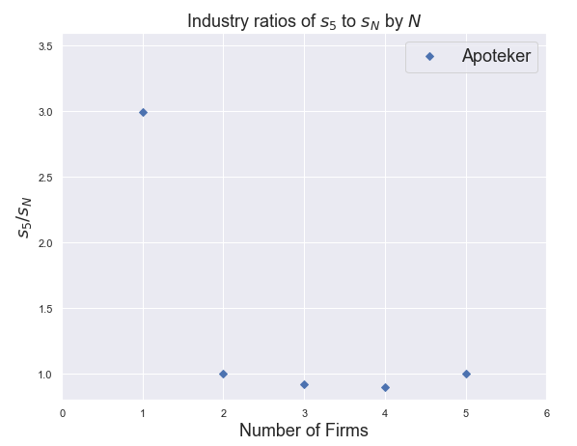
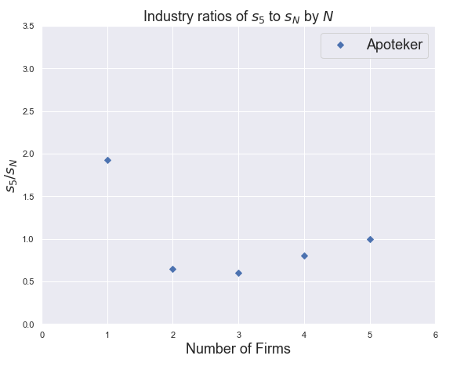
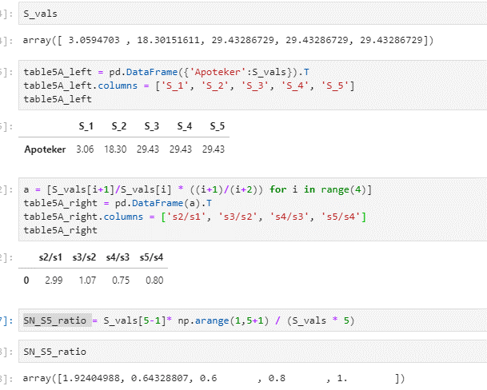
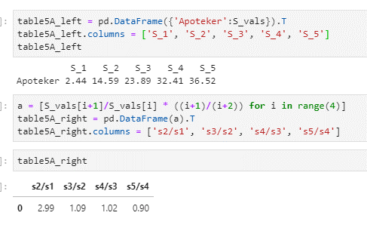
1 | 2 | 3 | 4

S_figur_kom
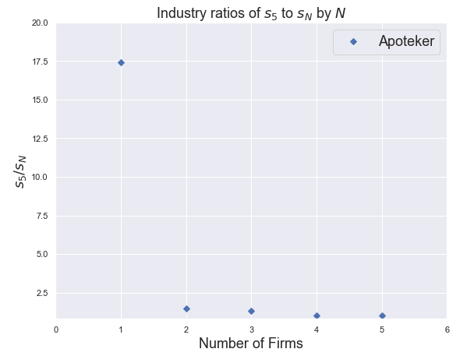
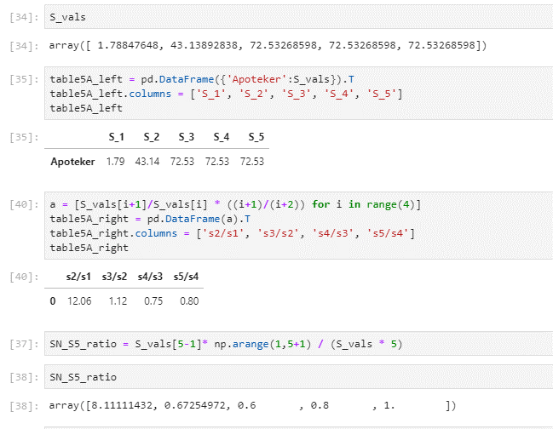
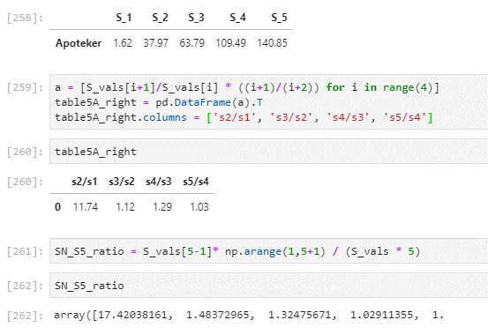
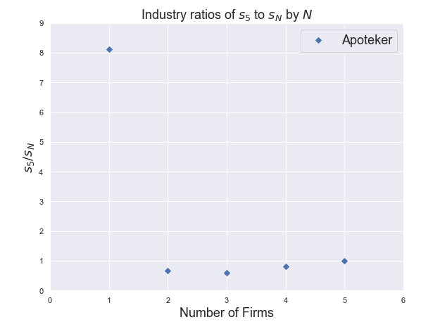
1

